impact parameters
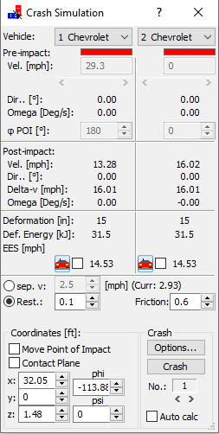

PC Crash impact at .615 seconds
First contact at .555 seconds

